Sheet4
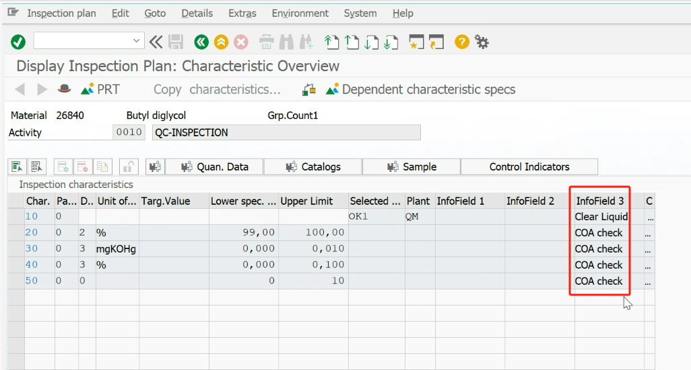
RTM Num | Request | Comments
4.5.1.1 | System shall support download inspection lot from SAP to QCLAD. | 1、in SAP an inspection lot corresponds to more than one activity (for example, one is IPQC and one is OQC), corresponding to LIMS is more than one sample, each activity corresponds to a different sample, need to do the test items are not the same 2、JIT(Just In Time)IQC存在先来样品，再有检验批的情况，则需要先在QCLaD中手动登录sample，SAP创建Inspection Lot后，下发LOT时不需要再登录样品了，需要跟QALaD中已经先创建的Sample做上关联，以批号信息做关联查询； 3、SAP中的Inspection plan中对组分有个infofield3的标识（动态数据，同一个MIC下的结果组分在不同的Inspection lot中该字段标识可能不一致），该字段标识需要下载到QCLAD中，如果该标识为COA check则在QCLAD中无需输入结果，QCLAD中需要人员手动强制完成（人员自行判断） | 一个short text就是一个analysis，一个analysis下一个component，component name为short text
4.5.1.2 | System shall support download Batch information from SAP to QCLAD.
4.5.1.3 | System shall support download MIC from SAP to QCLAD. | Need to download the amendment rules
4.5.1.4 | System shall support download specification from SAP to QCLAD.
4.5.1.5 | System shall support download Material master data from SAP to QCLAD.
4.5.1.6 | System shall support download GHS info from SAP to QCLAD. Refer to 4.8.5.8.2
4.5.1.7 | System shall support download Plant Code from SAP to QCLAD.
4.5.1.8 | System shall support download QM notification from SAP to QCLAD. | This data is not associated with the Inspection lot and is dynamic data independent of the Inspection lot.
4.5.1.9 | System shall support to upload result value from QCLAD to SAP.
4.5.1.10 | System shall support to upload result value from eCOA to QCLAD.

